Sheet1
NAME: JATIN SHARMA | INFORMATION BLOCK

UTA ID: 1002071716 | PROJECT TASK: |  |  | THE QUESTION DELINEATES INFORMATION ABOUT TWO EQUIPMENT, WHICH ASK'S US TO EVALUATE ALTERNATIVE EQIPMENT INVESTMENTS WHICH ARE KRAX-SEAMER AND SPLIT-C0 SEAMER. FURTHERMORE, WE NEED TO COMPARE THE GIVEN EQUIPMENTS OVER DIFFERENT RANGE OF 5% TO 55% MARR VALUES WITH INCREMENTS OF 5 PERCENT.

 | DATA BLOCK

 | PROVIDED INFORMATION

 | DATA |  |  | KRAX SEAMER |  |  |  | SPLIT-CO-SEAMER

 | n [ YEARS] |  |  | 9 |  |  |  | 9
 | PURCHASE PRICE |  |  | $203,000.00 |  |  |  | $275,000.00
 | ANNUAL BENEFITS |  |  | $72,000.00 |  |  |  | $88,000.00
 | BENEFITS GRADIENT |  |  | $1,250.00 |  |  |  | $1,500.00
 | ANNUAL O&M COSTS |  |  | $18,000.00 |  |  |  | $32,000.00
 | O & M GRADIENT |  |  | $500.00 |  |  |  | $1,200.00
 | SALVAGE VALUE |  |  | $41,000.00 |  |  |  | $47,000.00

 | LOAN |  |  | KRAX SEAMER |  |  |  | SPLIT-CO-SEAMER
 | DOWN PAYMENT (% OF PURCHASE PRICE) |  |  | 30% |  |  |  | 30%
 | LOAN PERIOD |  |  | 6 |  |  |  | 9
 | LOAN PAYMENT |  |  | $34,392.11 |  |  |  | $37,441.93

 | ANALYSIS BLOCK

 | AS IN THE QUESTION WE NEED TO FIND WHICH ONE IS BETTER, FOR THAT WE NEED TO PRODUCE A TABLE DEPICTING THE CASH FLOW DIAGRAM, INCLUDING ALL THE GIVEN INFORMATION IN THE QUESTION ABOUT KRAX SEAMER, AND SPLIT CO-SEAMER, TO CALCULATE THE VALUE OF CASH FLOW. FURTHERMORE, WE WILL CALCULATE RATE OF RETURN WITH THE HELP OF INTERNAL RATE OF RETURE FORMULA IN EXCEL (IRR).

 | KRAX SEAMER
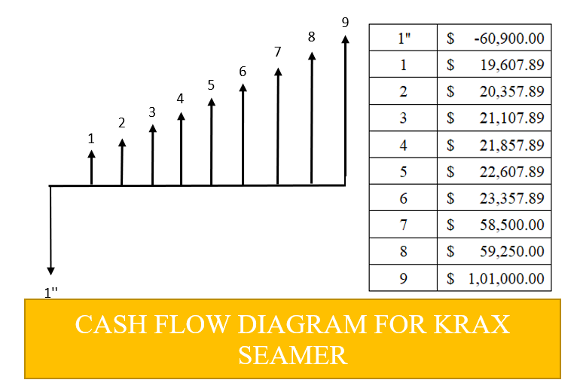
 | YEAR | INITIAL COST | O&M COST | ANNUAL BENEFIT | SALVAGE VALUE | LOAN | CASH FLOW

 | 0 | $203,000.00 | $- | $- | $- | $142,100.00 | $-60,900.00 |  |  |  | GRAPHIC BLOCK
 | 1 | 0 | $-18,000.00 | $72,000.00 | 0 | $-34,392.11 | $19,607.89 |  | CASH FLOW DIAGRAM
 | 2 | 0 | $-18,500.00 | $73,250.00 | 0 | $-34,392.11 | $20,357.89
 | 3 | 0 | $-19,000.00 | $74,500.00 | 0 | $-34,392.11 | $21,107.89
 | 4 | 0 | $-19,500.00 | $75,750.00 | 0 | $-34,392.11 | $21,857.89
 | 5 | 0 | $-20,000.00 | $77,000.00 | 0 | $-34,392.11 | $22,607.89
 | 6 | 0 | $-20,500.00 | $78,250.00 | 0 | $-34,392.11 | $23,357.89
 | 7 | 0 | $-21,000.00 | $79,500.00 | 0 | 0 | $58,500.00
 | 8 | 0 | $-21,500.00 | $80,750.00 | 0 | 0 | $59,250.00
 | 9 | 0 | $-22,000.00 | $82,000.00 | $41,000.00 | 0 | $101,000.00

 |  |  | O&M GRADIENT: $500 | ANNUAL BENEFITS GRADIENT: $1250

 | RATE OF RETURN (i)* | 39%

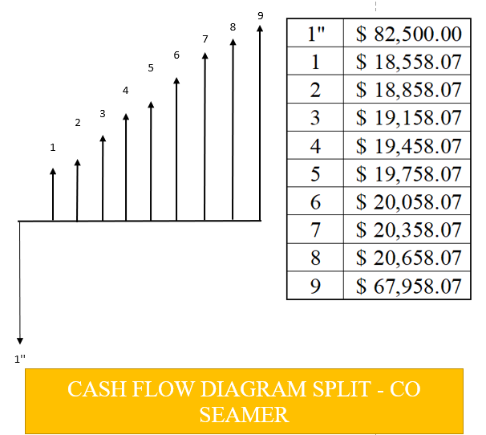
 | SPLIT - CO SEAMER

 | YEAR | INITIAL COST | O&M COST | ANNUAL BENEFIT | SALVAGE VALUE | LOAN | CASH FLOW
 | 0 | $275,000.00 | $- | $- | 0 | $192,500.00 | $-82,500.00 |  |  |  |  | GRAPHIC BLOCK
 | 1 | 0 | $-32,000.00 | $88,000.00 | 0 | $-37,441.93 | $18,558.07 |  |  | CASH FLOW DIAGRAM
 | 2 | 0 | $-33,200.00 | $89,500.00 | 0 | $-37,441.93 | $18,858.07
 | 3 | 0 | $-34,400.00 | $91,000.00 | 0 | $-37,441.93 | $19,158.07
 | 4 | 0 | $-35,600.00 | $92,500.00 | 0 | $-37,441.93 | $19,458.07
 | 5 | 0 | $-36,800.00 | $94,000.00 | 0 | $-37,441.93 | $19,758.07
 | 6 | 0 | $-38,000.00 | $95,500.00 | 0 | $-37,441.93 | $20,058.07
 | 7 | 0 | $-39,200.00 | $97,000.00 | 0 | $-37,441.93 | $20,358.07
 | 8 | 0 | $-40,400.00 | $98,500.00 | 0 | $-37,441.93 | $20,658.07
 | 9 | 0 | $-41,600.00 | $100,000.00 | $47,000.00 | $-37,441.93 | $67,958.07
 |  |  | O&M GRADIENT: $1200 | BENEFIT GRADIENT $1500

 | RATE OF RETURN (i) | 22%

 | FROM THE ABOVE CALCULATED DATA, WE CAN PERFORM NET PRESENT WORTH TO FIND THE VALUE AT DIFFERENT MARR % 'S.

 | NPV (NET PRESENT WORTH) ANALYSIS TABLE

 | RATE | KRAX SEAMER |  | SPLIT - CO SEAMER
 | 5% | $194,382.70 |  | $87,542.12
 | 10% | $132,254.77 |  | $50,135.39
 | 15% | $89,330.06 |  | $23,838.17
 | 20% | $58,922.10 |  | $4,845.93
 | 25% | $36,871.71 |  | $-9,216.57
 | 30% | $20,528.51 |  | $-19,870.78
 | 35% | $8,165.37 |  | $-28,114.75
 | 40% | $-1,366.96 |  | $-34,618.00
 | 45% | $-8,848.31 |  | $-39,839.12
 | 50% | $-14,817.58 |  | $-44,098.44

 | RESULT OF ANALYSIS OF DATA FROM THE ABOVE TABLE

 | TO MAKE A DECISION BETWEEN THE TWO GIVEN EQUIPMENT THAT IS KRAX SEAMER AND SPLIT -CO SEAMER, THE DECISION CRITERION WOULD BE AS FOLLOW: THE PRESENT WORTH SHOULD BE GREATER THAN 0 [PW > 0]. FURTHERMORE, IF THE EQUIPMENT ARE MUTUALLY EXCLUSIVE THEN THE ALTERNATIVE WITH GREATER PW(PRESENT WORTH) WILL BE SELECTED.

 | ANALYSIS OUTCOME
 | MARR RANGE (%) | NPW FOR KRAX SEAMER | NET PRESENT VALUE SPLIT-CO SEAMER
 | 5% - 21% | [POSITIVE VALUE] + | [POSITIVE VALUE] +
 | 21% - 39% | [POSITIVE VALUE] + | [NEGATIVE VALUE] -
 | 39% - 50% | [NEGATIVE VALUE] - | [NEGATIVE VALUE] -

 | CONCLUSION

 | AS WE ARE COMPARING TWO EQUIPMENT. FROM THE ABOVE DATA IT CAN BE OBSERVED THAT FOR KRAX SEAMER THE IRR IS 39%. THEREFORE THE MARR OF 40%, 45%, 50% IS NOT JUSTIFIABLE, IN ADDITION THE MARR BELOW 39% AND BELOW ARE ECONOMICALLY JUSTIFIABLE. FURTHERMORE, MOVING ON TO THE NEXT EQUIPMENT WHICH IS SPLIT-CO SEAMER, THE IRR IS 22% MARR OF 22% AND BELOW ARE ECONOMICALLY JUSTIFIABLE. MOREOVER, MARR ABOVE 22% IS UNACCEPTABLE AS IT IS ECONOMICALLY UNJUSTIFIABLE.

 | RECOMMENDATION

 | AS CALCULATED EARLIER, THE RATE OF RETUR FOR KRAX SEAMER, AND SPLIT-CO SEAMER IS 39% AND 22% RESPECTIVELY. WE SHOULD GO WITH KRAX SEAMER, AS IT HAS BETTER RATE OF RETURN.

 |  |  | GRAPHIC BLOCK IS ON THE RIGHT HAND SIDE

